List
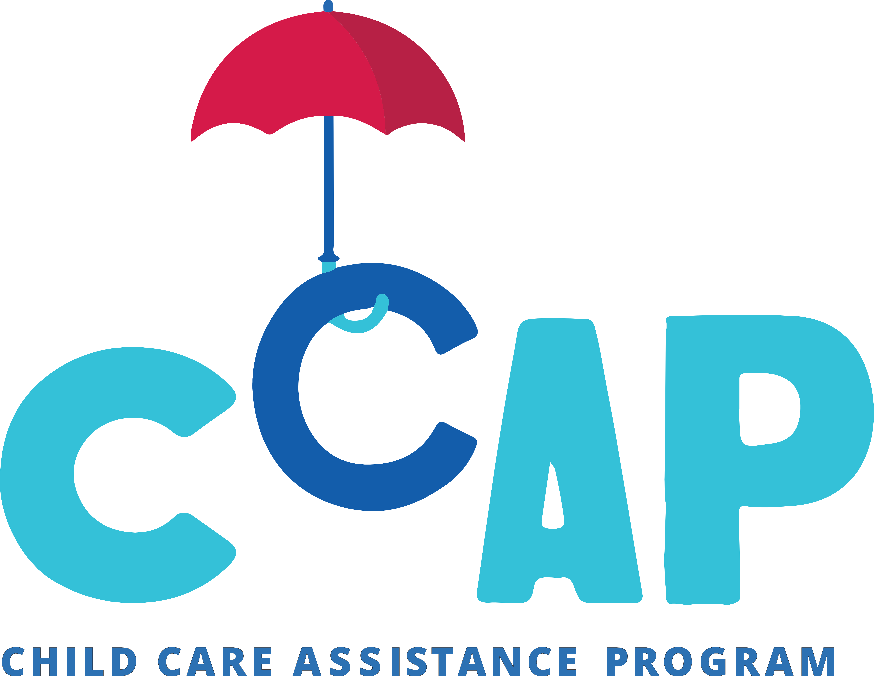

City of Seattle Childcare Assistance Program Provider List
Last Updated 04/01/2024
Provider Name | Opening Time | Closing Time | Min Age | Max Age | Open on Weekends? | Main Phone | Street Address | Zip Code | Provider Type | CCAP ID | DCYF ID #
1st Start Learning Family Home Center (Katherine Green) | 6:00 AM | 6:00 PM | 0 | 12 | No | 206-466-1229 | Contact Provider for Address | 98178 | Family Childcare | 9672 | 284112
A Mother's Touch Daycare (Tomeshia Felder) | 6:00 AM | 6:00 PM | 0 | 12 | No | 206-579-6165 | Contact Provider for Address | 98106 | Family Childcare | 9791 | 597970
A4 Apple Learning Center | 7:00 AM | 5:30 PM | 1 | 12 | No | (206) 698-2433 | 323 23rd Ave South | 98144 | Center | A35463 | 1955209
Aaliyah Family Learning Program LLC (Bibi Abubakar) | 5:00 AM | 9:00 PM | 0 | 12 | Yes | 206-785-4795 | Contact Provider for Address | 98118 | Family Childcare | A34905 | 1759230
ABC Academy of Diversity LLC (Dolores R Cubias) | 5:00 AM | 7:00 PM | 0 | 12 | No | 206-245-0284 | Contact Provider for Address | 98126 | Family Childcare | A35841 | 1975184
Adam Home Day Care (Fatumo M. Ali) | 24 hours | 24 hours | 0 | 12 | No | (206) 723-1265 | Contact Provider for Address | 98118 | Family Childcare | 9607 | 311148
Ages in Stages Childcare - Main | 7:00 AM | 6:00 PM | 4 | 12 | No | (206) 762-5683 | 8658 9th Ave SW | 98106 | Center | 9665 | 288097
Aisha Family Childcare (Hawo Dahir) | 8:00 AM | 6:00 PM | 0 | 12 | No | 206-356-7162 | Contact Provider for Address | 98126 | Family Childcare | 9789 | 537947
Aisha Home Daycare (Saidiya Jama) | 24 hours | 24 hours | 0 | 12 | No | 206-245-0046 | Contact Provider for Address | 98118 | Family Childcare | 9774 | 301541
Al-Nura Home Daycare (Youssour Djama) | 7:00 AM | 8:00 PM | 0 | 12 | No | 206-465-9426 | Contact Provider for Address | 98108 | Family Childcare | A39817 | 420957
Ambrosia Montessori | 7:00 AM | 6:00 PM | 0 | 6 | No | 206-207-2849 | 192 Nickerson St., Suite 200 | 98109 | Center | A39578 | 2147185
Amiin Family Child Care (Nimo S Ahmed) | 24 hours | 24 hours | 0 | 12 | Yes | (206) 412-6517 | Contact Provider for Address | 98118 | Family Childcare | 9727 | 308600
Anab Hash Haybe | 6:00 AM | 8:00 PM | 0 | 12 | Yes | (206) 725-1066 | Contact Provider for Address | 98108 | Family Childcare | 9685 | 427943
Anas Family Child Care (Sadiya Adem Omer) | 6:00 AM | 8:00 PM | 0 | 12 | Yes | (206) 466-1229 | Contact Provider for Address | 98126 | Family Childcare | 9689 | 675947
Anisa Daycare LLC (Anisa Abdullahi Omar) | 5:00 AM | 9:00 PM | 0 | 12 | Yes | 206-853-1715 | Contact Provider for Address | 98106 | Family Childcare | A36832 | 426123
Asha's Family Child Care (Asha Abdalla) | 5:00 AM | 9:00 PM | 0 | 12 | Yes | (206) 973-9743 | Contact Provider for Address | 98118 | Family Childcare | 9782 | 1562188
Aster Blossom Child Care (Aster Weldemichael) | 6:00 AM | 8:00 PM | 0 | 12 | Yes | 206-466-1229 | Contact Provider for Address | 98118 | Family Childcare | 9643 | 283035
Ayan Childcare (Kadro M. Farah) | 6:00 AM | 6:00 PM | 0 | 12 | No | (206) 375-7323 | Contact Provider for Address | 98122 | Family Childcare | A36226 | 295413
Ayan Family Child Care (Faduma Muse) | 6:00 AM | 12:00 AM | 0 | 12 | Yes | (206) 446-3046 | Contact Provider for Address | 98118 | Family Childcare | 9647 | 300764
Azhar Family Child Care (Hamdi Hashi) | 24 hours | 24 hours | 0 | 12 | Yes | 206-960-6173 | Contact Provider for Address | 98118 | Family Childcare | A39032 | 1597225
Barakat Home Day Care (Safia Kahin) | 24 hours | 24 hours | 0 | 12 | No | (206) 723-8848 | Contact Provider for Address | 98118 | Family Childcare | 9731 | 331991
Beginnings CC 1 | 7:00 AM | 6:00 PM | 3 | 6 | No | (206) 604-8370 | 1821 15th Ave | 98122 | Center | 9784 | 6481
Beginnings II Child Care Center - Queen Anne | 7:00 AM | 6:00 PM | 0 | 6 | No | 206-697-1885 | 1617 1st Ave W | 98119 | Center | A35561 | 648912
Blazing Trails Childcare - Pathfinder | 6:30 AM | 6:00 PM | 5 | 12 | No | (206) 937-5160 | 1901 SW Genesee St | 98106 | SPS Building | 9429 | 445034
Boru Family Child Care (Zeinaba Boru Gelchu) | 8:00 AM | 9:00 PM | 0 | 12 | Yes | (206) 316-7630 | Contact Provider for Address | 98108 | Family Childcare | 9636 | 298045
Boys & Girls Club - Bagley | 1:30 PM | 6:30 PM | 5 | 12 | No | (206) 853-5297 | 7821 Stone Avenue N | 98103 | SPS Building | 9581 | 147855
Boys & Girls Club - Ballard | 7:00 AM | 6:00 PM | 5 | 12 | No | (206) 783-5775 | 1767 NW 64th St | 98107 | Center | 9270 | 220887
Boys & Girls Club - BF Day | 1:00 PM | 6:30 PM | 5 | 12 | No | (206) 547-7169 | 3921 Linden Ave N | 98103 | SPS Building | 9292 | 122521
Boys & Girls Club - Coe | 2:30 PM | 6:00 PM | 5 | 12 | No | (206) 281-9197 | 2424 7th Ave W | 98119 | SPS Building | 9349 | 220885
Boys & Girls Club - Lawton | 2:30 PM | 6:00 PM | 5 | 12 | No | (206) 283-4361 | 4017 26th Ave W | 98199 | SPS Building | 9235 | 220883
Boys & Girls Club - Lowell Elementary | 7:00 AM | 6:00 PM | 5 | 12 | No | (206) 531-5738 | 1058 E Mercer St | 98102 | SPS Building | 9766 | 1616188
Boys & Girls Club - North Beach | 7:00 AM | 6:00 PM | 5 | 12 | No | (206) 582-3512 | 9018 24th Ave NW | 98117 | SPS Building | 9669 | 317732
Boys & Girls Club - Olympic Hills | 7:00 AM | 6:30 PM | 5 | 12 | No | (206) 363-3717 | 13018 20th Ave NE | 98125 | SPS Building | 9612 | 1255242
Boys & Girls Club - Sacajawea | 7:00 AM | 6:30 PM | 5 | 12 | No | (206) 526-1357 | 9501 20th Ave NE | 98115 | SPS Building | 9119 | 122518
Boys & Girls Club - Salmon Bay K-8 | 7:00 AM | 6:00 PM | 5 | 12 | No | (206) 297-7764 | 1810 NW 65th St | 98117 | SPS Building | 9504 | 719799
Boys & Girls Club - Smilow Rainier Vista | 7:00 AM | 6:30 PM | 5 | 12 | No | (206) 436-1891 | 4520 Martin Luther King Jr Way | 98108 | Center | 9704 | 769118
Boys & Girls Club - View Ridge | 1:00 PM | 6:00 PM | 5 | 12 | No | (206) 523-8447 | 4710 NE 70th St | 98115 | SPS Building | 9395 | 134610
Boys and Girls Club Northgate @ James Baldwin Elementary | 7:00 AM | 6:30 PM | 5 | 12 | No | (206) 478-5012 | 11725 1st Ave NE | 98125 | SPS Building | 9596 | 844316
Bright Horizons - Harborview | 6:30 AM | 6:00 PM | 0 | 5 | No | (206) 623-5760 | 601 9th Ave | 98104 | Center | 9613 | 519917
Bright Minds Home Childcare (Kawthar Albakri) | 7:00 AM | 6:00 PM | 0 | 12 | No | 206-407-4324 | Contact Provider for Address | 98108 | Family Childcare | A34726 | 1814248
Bright Start Family Home Child Care (Walala Adam) | 6:00 AM | 11:00 PM | 0 | 12 | No | (206) 349-4613 | Contact Provider for Address | 98118 | Family Childcare | A38085 | 1478187
Causey's - Main | 7:30 AM | 5:30 PM | 3 | 5 | No | 206-322-9929 | 527 23rd Ave | 98122 | Center | 9567 | 227478
Child Learning and Care Center - Trettin Early Learning Center | 7:30 AM | 5:30 PM | 1 | 6 | No | (206) 524-3400 | 4515 16th Ave NE | 98105 | Center | 9116 | 9690
Children's Academy of Seattle | 6:30 AM | 6:00 PM | 1 | 5 | No | 206-586-5813 | 2410 SW Juneau St | 98106 | Center | A38230 | 885304
Children's Academy of Seattle IV | 6:30 AM | 6:00 PM | 1 | 6 | No | 206-747-9415 | 5458 Delridge WAY SW | 98106 | Center | A37966 | 1661199
Children's Center - Burke Gilman Gardens | 7:00 AM | 6:00 PM | 1 | 5 | No | (206) 729-0399 | 5251 Sandpoint Way NE | 98105 | Center | 9531 | 199147
Collaboration Station | 6:30 AM | 6:30 PM | 3 | 12 | No | (206) 251-0037 | 504 NE 95th St | 98115 | SPS Building | 9632 | 692674
Community Day Center For Children | 6:30 AM | 6:30 PM | 1 | 5 | No | (206) 323-8288 | 165 22nd Ave | 98122 | Center | 9021 | 6349
Community School of West Seattle | 7:40 AM | 5:30 PM | 3 | 5 | No | (206) 763-2081 | 9450 22nd Ave SW | 98106 | Center | 9649 | 295703
Cooperative Children's Center | 7:30 AM | 6:00 PM | 1 | 6 | No | (206) 522-5388 | 5315 Roosevelt Way NE | 98105 | Center | 9754 | 295237
Cosmopolitan Kids Downtown Academy | 7:00 AM | 6:00 PM | 0 | 12 | No | (206) 492-7481 | 1000 2nd Ave | 98104 | Center | 9777 | 1088217
Cottage School - Gatewood | 6:30 AM | 6:00 PM | 2 | 12 | No | (206) 938-5435 | 4320 SW Myrtle St | 98136 | SPS Building | 9293 | 110881
Creative Beginnings | 7:30 AM | 5:30 PM | 1 | 6 | No | (206) 329-6522 | 522 28th Ave E | 98112 | Center | 9026 | 86912
Creative Kids - Carkeek Park | 7:00 AM | 6:00 PM | 3 | 5 | No | 206-367-1241 | 950 NW Carkeek Park Rd | 98177 | Park | 9720 | 1205265
Creative Kids - Viewlands Elementary | 8:00 AM | 2:15 PM | 2 | 12 | No | (206) 999-0672 | 10525 3rd Ave NW | 98177 | SPS Building | 9620 | 2197207
Denise Learning Center (Denise M. Dailey) | 7:30 AM | 5:30 PM | 0 | 12 | No | (206) 723-2422 | Contact Provider for Address | 98178 | Family Childcare | 9652 | 251069
Denise Louie - Beacon Hill | 8:30 AM | 2:30 PM | 3 | 5 | No | (206) 767-8223 | 3327 Beacon Avenue S | 98144 | Center | 9539 | 294720
Denise Louie - Magnuson Park | 9:00 AM | 3:00 PM | 0 | 5 | No | (206) 767-8223 | 7101 62nd Ave NE | 98115 | Center | 9748 | 1597223
Denise Louie - Yesler Terrace | 7:00 AM | 6:00 PM | 0 | 6 | No | 206-767-8223 | 1225 E. Fir St. | 98122 | Center | A39599 | 2177178
Discovery Child Care & Preschool (Amy Siderits) | 7:00 AM | 5:00 PM | 0 | 12 | No | (206) 271-1922 | Contact Provider for Address | 98106 | Family Childcare | 9677 | 777977
Early Learning & Development Center - Broadview Center | 6:30 AM | 6:30 PM | 1 | 5 | No | (206) 781-9604 | 603 N 103rd St | 98133 | Center | 9437 | 134553
Early Learning & Development Center - Greenwood | 7:00 AM | 6:30 PM | 1 | 5 | No | (206) 789-0067 | 225 N 70th St | 98103 | Center | 9489 | 69736
Ebla Family Childcare (Hawo Mohamed) | 5:00 AM | 5:00 AM | 0 | 12 | Yes | (206) 407-8119 | Contact Provider for Address | 98118 | Family Childcare | 9718 | 640118
El Centro - Hirabayashi Place | 6:30 AM | 6:00 PM | 1 | 5 | No | (206) 957-4606 | 424 S Main St | 98104 | Center | 9707 | 1088191
El Centro - Jose Marti at Cedar Crossing | 6:30 AM | 6:00 PM | 1 | 6 | No | 206-957-4652 | 1015 NE 67th St | 98115 | Center | A36609 | 2051177
El Centro - Jose Marti CDC | 7:30 AM | 5:00 PM | 2 | 5 | No | 206-957-4637 | 2524 16th Ave S | 98144 | Center | 9053 | 6723
Empowering Youth & Families Outreach | 6:00 AM | 6:30 PM | 5 | 12 | Yes | (206) 335-9439 | 8172 Rainier Ave S | 98118 | Center | 9726 | 267596
Fahima Home Day Care (Zeinab Elmi) | 24 hours | 24 hours | 0 | 12 | Yes | (206) 354-1239 | Contact Provider for Address | 98168 | Family Childcare | 9795 | 275624
Fatah Child Care (Khadija Haji) | 24 hours | 24 hours | 0 | 12 | Yes | (206) 354-4215 | Contact Provider for Address | 98108 | Family Childcare | 9641 | 676085
Fatax Home Child Care (Asha Ali) | 6:00 AM | 6:00 PM | 0 | 12 | Yes | 206-730-9696 | Contact Provider for Address | 98178 | Family Childcare | 9781 | 282166
Fathiya Hassan | 24 hours | 24 hours | 0 | 12 | Yes | (206) 420-9681 | Contact Provider for Address | 98126 | Family Childcare | 9764 | 255738
Fauntleroy Children's Center | 7:00 AM | 6:00 PM | 0 | 12 | No | (206) 932-9590 | 9131 California Ave SW | 98136 | Center | 9038 | 5141
Filsan Family Early Learning Program (Najmo A. Warsame) | 5:00 AM | 9:00 PM | 0 | 12 | Yes | 206-403-7727 | Contact Provider for Address | 98126 | Family Childcare | A39044 | 473147
First Place Preschool | 7:00 AM | 5:00 PM | 3 | 5 | No | (206) 629-6288 | 172 20th Ave | 98122 | Center | 9699 | 961273
Firststep Child Care Learning Center (Denise Marie Mathis) | 6:00 AM | 6:00 PM | 0 | 12 | No | (206) 460-8942 | Contact Provider for Address | 98118 | Family Childcare | 9673 | 330006
Giddens School | 7:30 AM | 6:00 PM | 0 | 0 | No | 206-324-4847 | 2120 21st Ave S | 98144 | Center | 9772 | 54822
Grandmas Daycare LLC (Fatuma M Abdu) | 6:00 AM | 7:00 PM | 0 | 12 | No | 206 430 9598 | Contact Provider for Address | 98108 | Family Childcare | A38337 | 1373377
Green Lake Preschool & Childcare Center | 7:00 AM | 6:00 PM | 0 | 0 | No | (206) 525-7877 | 6350 E Green Lake Way N | 98103 | Center | 9775 | 134616
Green Lake Schoolage Program | 6:30 AM | 6:00 PM | 5 | 12 | No | (206) 525-5909 | 6415 1st Ave NE | 98115 | Center | 9208 | 96782
Greenwood Social Emotional Childcare Cooperative GSECC | 7:00 AM | 6:00 PM | 0 | 12 | No | (425) 289-8439 | 9535 Greenwood Ave N | 98103 | Center | A39774 | 853336
Growing Hearts Childcare (Samira Osman) | 5:00 AM | 5:00 PM | 0 | 12 | No | 206.446.0660 | Contact Provider for Address | 98178 | Family Childcare | A34308 | 1798272
Hanan Family Daycare (Sahra Osman) | 24 hours | 24 hours | 5 | 12 | Yes | (206) 466-1229 | Contact Provider for Address | 98125 | Family Childcare | 9735 | 581948
Happy Day Care (Fadumo Mohamed) | 6:30 AM | 8:00 PM | 5 | 12 | Yes | (206) 805-9560 | Contact Provider for Address | 98105 | Family Childcare | 9729 | 268689
Hayat Family Home Childcare (Hindia Yusuf) | 6:00 AM | 8:30 PM | 0 | 12 | No | 206-466-1229 | Contact Provider for Address | 98126 | Family Childcare | 9776 | 320043
Hearing, Speech and Deaf Center Rosen Preschool | 9:00 AM | 3:00 PM | 0 | 5 | No | 425-736-6665 Voice Call / 206-347-3967 Video Phone | 1625 19th Ave | 98122 | Center | A36475 | 961280
Hidaya Family Child Care LLC (Mohamed A Abdel-Aziz) | 5:00 AM | 5:00 PM | 5 | 12 | No | 206-362-1585 | Contact Provider for Address | 98125 | Family Childcare | A34654 | 661973
Hilltop Children’s Center - Downtown Green Tree | 6:30 AM | 6:00 PM | 5 | 12 | No | (206) 553-8212 | 1200 6th Ave | 98101 | Center | 9249 | 134648
Hilltop Children's Center - Fremont | 7:00 AM | 6:00 PM | 5 | 12 | No | 206-283-3100 | 3601 Fremont Ave N | 98103 | Center | A34320 | 1900179
Hilltop Children's Center - Queen Anne | 8:00 AM | 2:00 PM | 3 | 5 | No | (206) 283-3100 | 4 Nickerson St | 98109 | Center | 9048 | 6630
Hinda Child Care (Hinda Yusuf) | 6:00 AM | 8:00 PM | 5 | 12 | Yes | (206) 860-6182 | Contact Provider for Address | 98122 | Family Childcare | 9744 | 290362
Hoa Nguyen Home Daycare (Hoa & Loc Nguyen) | 6:00 AM | 7:00 PM | 5 | 12 | No | (206) 722-0911 | Contact Provider for Address | 98108 | Family Childcare | 9657 | 220841
Hobyo One Childcare (Muhubo Musse) | 24 hours | 24 hours | 0 | 12 | No | (206) 466-1229 | Contact Provider for Address | 98125 | Family Childcare | 9646 | 441960
Hormuud Home Family (Seynab Hassan Dimbil) | 6:00 AM | 8:00 PM | 5 | 12 | Yes | (206) 316-7630 | Contact Provider for Address | 98126 | Family Childcare | 9640 | 300989
...

